Dashboard
House Rent Prediction

NUMBER OF AREA LOCALITY IN CITIES
 | Total
Bangalore | 550
Chennai | 575
Delhi | 290
Hyderabad | 621
Kolkata | 260
Mumbai | 150
TOTAL RENT CITY WISE
 | Total
Bangalore | 22120200
Chennai | 19258156
Delhi | 17824500
Hyderabad | 17841782
Kolkata | 6102071
Mumbai | 82932211
TENANTS PREFFERED IN CITIES
 | Bachelors | Bachelors/Family | Family
Bangalore | 135 | 694 | 57
Chennai | 137 | 649 | 105
Delhi | 162 | 432 | 11
Hyderabad | 102 | 676 | 90
Kolkata | 122 | 379 | 23
Mumbai | 172 | 614 | 186
HIGH RENT AREA LOCALITY
 | Total
Greater Kailash 1 | 150000
Greater Kailash 2 | 80000
Safdarjung Enclave | 125000
Shivalik, Malviya Nagar | 80000
South Extension 1 | 95000
LOW RENT AREA LOCALITY
 | Total
Arjun Nagar, Safdarjung Enclave | 15000
Ashok Nagar | 5000
Hauz Khas | 20000
Subhash Nagar | 16000
Sultanpur | 5500
FURNISHING STATUS
 | Total
Furnished | 97
Semi-Furnished | 278
Unfurnished | 230

No.OfAreaLocality
Number of Area Locality
City | Count of Area Locality
Bangalore | 550
Chennai | 575
Delhi | 290
Hyderabad | 621
Kolkata | 260
Mumbai | 150
Grand Total | 2446

Rent
City | Sum of Rent
Bangalore | 22120200
Chennai | 19258156
TOTAL RENT CITY WISE
Delhi | 17824500
Hyderabad | 17841782
Kolkata | 6102071
Mumbai | 82932211
Grand Total | 166078920

Tenants
TENANTS PREFFERED IN CITIES
Count of Area Locality | Column Labels
Row Labels | Bachelors | Bachelors/Family | Family | Grand Total
Bangalore | 135 | 694 | 57 | 886
Chennai | 137 | 649 | 105 | 891
Delhi | 162 | 432 | 11 | 605
Hyderabad | 102 | 676 | 90 | 868
Kolkata | 122 | 379 | 23 | 524
Mumbai | 172 | 614 | 186 | 972
Grand Total | 830 | 3444 | 472 | 4746

Low&HighRent
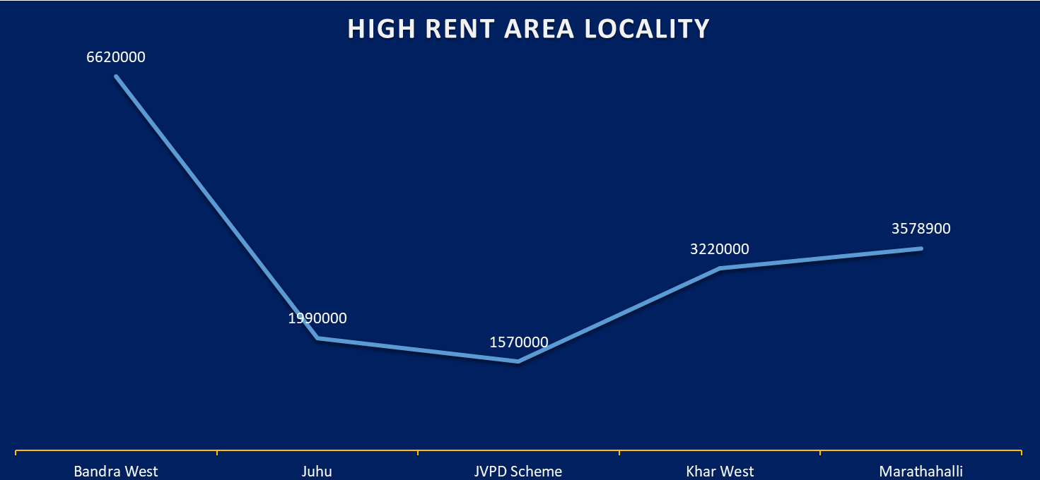
HIGH RENT AREA LOCALITY
LOW RENT AREA LOCALITY
Row Labels | Sum of Rent
Greater Kailash 1 | 150000
Greater Kailash 2 | 80000
Safdarjung Enclave | 125000
Shivalik, Malviya Nagar | 80000
South Extension 1 | 95000
Grand Total | 530000

Row Labels | Sum of Rent
Arjun Nagar, Safdarjung Enclave | 15000
Ashok Nagar | 5000
Hauz Khas | 20000
LOW RENT AREA LOCALITY
Subhash Nagar | 16000
Sultanpur | 5500
Grand Total | 61500

FurnishingStatus
Row Labels | Count of Area Locality
Furnished | 97
Semi-Furnished | 278
FURNISHING STATUS
Unfurnished | 230
Grand Total | 605

Furnishing Status in Specific City

